Sheet1
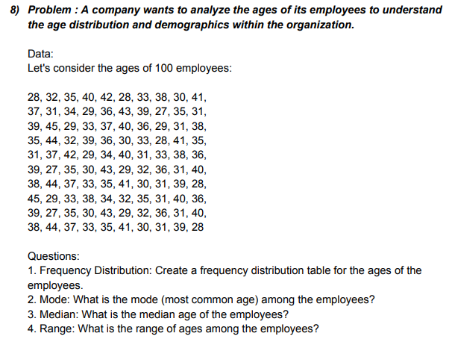
AGE OF 100 EMPLOYEES |  |  |  |  | Class Interval | Bin | Frequency | ANSWERS
28 | 39 | 31 | 38 | 39 | 20-30 | 30 | 21 | MODE | 31
32 | 45 | 37 | 44 | 27 | 30-40 | 40 | 65 | MEDIAN | 35
35 | 29 | 42 | 37 | 35 | 40-50 | 50 | 14 | RANGE | 18
40 | 33 | 29 | 33 | 30 |  | More | 0
AGE OF 100 EMPLOYEES
42 | 37 | 34 | 35 | 43
28 | 40 | 40 | 41 | 29
33 | 36 | 31 | 30 | 32
38 | 29 | 33 | 31 | 36
30 | 31 | 38 | 39 | 31
41 | 38 | 36 | 28 | 40
37 | 35 | 39 | 45 | 38
31 | 44 | 27 | 29 | 44
34 | 32 | 35 | 33 | 37
29 | 39 | 30 | 38 | 33
36 | 36 | 43 | 34 | 35
43 | 30 | 29 | 32 | 41
39 | 33 | 32 | 35 | 30
27 | 28 | 36 | 31 | 31
35 | 41 | 31 | 40 | 39
31 | 35 | 40 | 36 | 28

